Channel
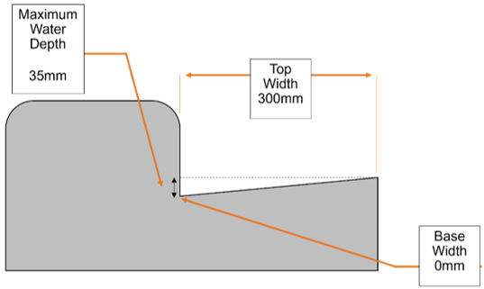
Action to perform. | Stage of Construction (not for RAMM) | Existing RAMM Asset ID. | Auto-added by selecting Road Name | Road name the asset is attached to. | Route position the asset starts at. | Offset from road centre to the asset. | Offset from road centre to the asset. | Side of the road the asset is located on. | What is the status of the asset? For a new or replaced sign in operation, select ‘In use’. | Select the relevant organisation (crown agent, lines company, local authority) that owns the asset. | Select the relevant organisation that manages the asset. | What department or group within the road controlling authority owns the asset? Leave blank if not applicable or a roading department asset. | What is the date the asset was installed? | What is the expected life of the asset? (# of years) | What is the related funding category associated with the work on this asset, i.e. what is the reason why this asset is being installed, replaced, or main-tained? | What is the cost (including installing) of this asset? Required if Work Origin is ‘Sealed Road Resurfacing’ or ‘Sealed Road Pavement Rehabilitation’. | Is the maintenance of this asset at least partly funded by the National Land Transport Programme (NLTP) administered by Waka Kotahi? Defaults to Yes. | What is the date the asset was removed? | What was the reason as to why the asset was removed? | Status of this asset - select appropriate. | What was the previous ID of the asset? | What is the ID of the replacement asset? (completed at loading stage) | What was the reason as to why the asset was replaced? | Geospatial data (optional) | What is the channel made of? | Was the channel premade or built insitu (built onsite)? | What is the stormwater reason for the pipe? What function does it serve? | Is there normally water in the channel? At what state? | What type of channel is used? | What type of road channel is used? | What type of Geotech channel is used? Required if you select ‘Geotech Channel’ as the ‘Channel Type’. | Calculated. Use Adjustment to alter. | Use to modify asset length (positive or negative numbers allowed) | Reason for an adjustment value being used | What is the width of the channel in millimetres (mm) from the top of one side of the channel to the top of the other? | What is the width of the asset in millimetres (mm) along the (flat) base of the channel from one side to the other? Use a zero value for channels without a flat base (i.e. V-shaped or curved base) | What is the maximum depth of the water when the channel is full? | Was a geotextile layer used in the Geotech channel? Required if you select ‘Geotech Channel’ as the ‘Channel Type’. | Was drainage chip used in the Geotech channel? Required if you select ‘Geotech Channel’ as the ‘Channel Type’. | Is there a subsoil pipe buried in the Geotech channel? | Is the asset a heritage asset? For example, built, archaeological or cultural heritage – pre 1900 or as scheduled by council.

 |  | system_id | road_id |  | start_m | end_m | offset | side | asset_status | asset_owner | managed_by | sub_organisation | install_date | asset_design_life | work_origin | original_cost | nltp_funded | replace_date | rep_replace_reason | replacement_status | prior_id | replacement_id | in_replace_reason |  | channel_material | construction_method | stormwater_purpose | normal_state | channel_type | road_channel_type | geotech_channel_type | length_m | length_adjust_m | len_adjust_rsn | top_width | base_width | maximum_water_depth | geotextile | drainage_chip | subsoil_pipe | heritage
Action | Stage | Asset ID | Road ID | Road Name | Start | End | Offset | Side | Asset Status | Asset Owner Organisation | Asset Managing Organisation | RCA Sub-Organisation | Installation Date | Asset Design Life | Work Origin | Original Cost | NLTP Funded? | Removal Date | Removal Reason | Replacement Status | Prior ID | Replacement ID | Replacement Reason | Geometry | Channel Material | Construction Method | Stormwater Purpose | Normal State | Channel Type | Road Channel Type | Geotech Channel Type | Length | Adjustment | Reason | Top Width | Base Width | Maximum Water Depth | Has Geotextile? | Has Drainage Chip? | Is Subsoil Pipe Included? | Is Heritage? | Height | Notes

Headwall
Action to perform. | Stage of Construction (not for RAMM) | Existing RAMM Asset ID. | Auto-added by selecting Road Name | Road name the asset is attached to. | Route position the asset starts at. | Offset from road centre to the asset. | Side of the road the asset is located on. | What is the status of the asset? For a new or replaced sign in operation, select ‘In use’. | Select the relevant organisation (crown agent, lines company, local authority) that owns the asset. | Select the relevant organisation that manages the asset. | What department or group within the road controlling authority owns the asset? Leave blank if not applicable or a roading department asset. | What is the date the asset was installed? | What is the expected life of the asset? (# of years) | What is the related funding category associated with the work on this asset, i.e. what is the reason why this asset is being installed, replaced, or maintained? | What is the cost (including installing) of this asset? Required if Work Origin is ‘Sealed Road Resurfacing’ or ‘Sealed Road Pavement Rehabilitation’. | Is the maintenance of this asset at least partly funded by the National Land Transport Programme (NLTP) administered by Waka Kotahi? Defaults to Yes. | What is the date the asset was removed? | What was the reason as to why the asset was removed? | Status of this asset - select appropriate. | What was the previous ID of the asset? | What is the ID of the replacement asset? (completed at loading stage) | What was the reason as to why the asset was replaced? | Geospatial data (optional) | Pipe ID that headwall is attached to. | What is the headwall made of? | What is the stormwater reason for the pipe? What function does it serve? | Was the chamber premade or built insitu (built onsite)? | What is the length from the back wall to end of the apron? (m) | What is the height from base of the back wall to the top of the back wall? (m) | What is the width across the back wall (for a wingwall-shaped headwall)? (m) | What is the width across the front of the apron (for a wingwall-shaped headwall)? (m) | Is the asset a heritage asset? For example, built, archaeological or cultural heritage – pre 1900 or as scheduled by council. | 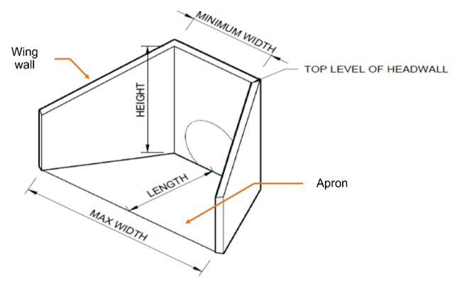

 |  | system_id | road_id |  | location | offset | side | asset_status | asset_owner | managed_by | sub_organisation | install_date | asset_design_life | work_origin | original_cost | nltp_funded | replace_date | rep_replace_reason | replacement_status | prior_id | replacement_id | in_replace_reason |  |  | headwall_material | stormwater_purpose | construction_method | headwall_length | headwall_height | minimum_width | maximum_width | heritage
Action | Stage | Asset ID | Road ID | Road Name | Location | Offset | Side | Asset Status | Asset Owner Organisation | Asset Managing Organisation | RCA Sub-Organisation | Installation Date | Asset Design Life | Work Origin | Original Cost | NLTP Funded? | Removal Date | Removal Reason | Replacement Status | Prior ID | Replacement ID | Replacement Reason | Geometry | Pipe ID | Headwall Material | Stormwater Purpose | Construction Method | Length | Height | Minimum Width | Maximum Width | Is Heritage?

